000_Steps in screenshot
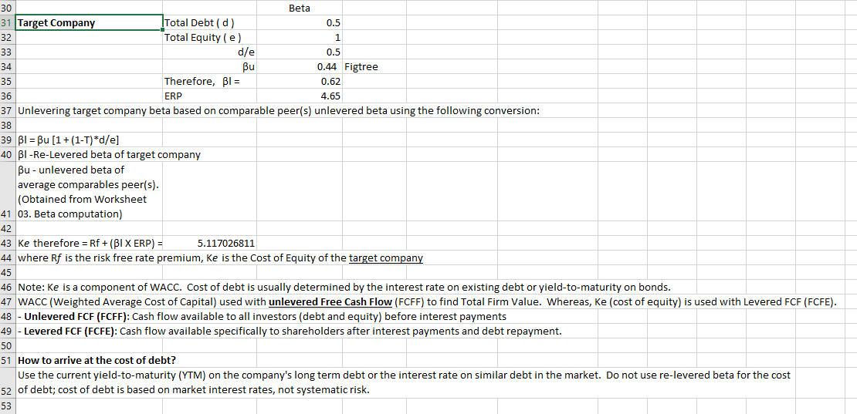
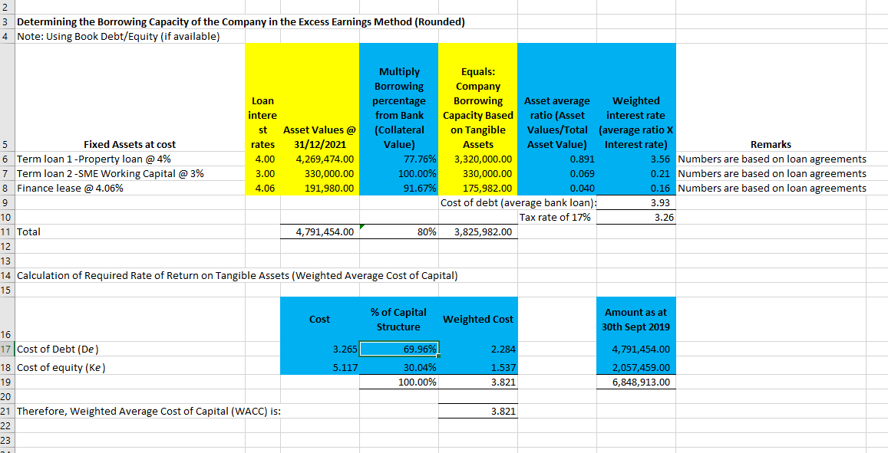
A | How to draw out public listed companies comparables from your toolkit:
 | -In this example: Select Industry [Real Estate], SubIndustry [Real Estate Development and Real Estate Services], Profile [Property Development] [Design Specialty] [Building Material-Marble]
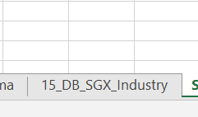

 | 1. Select Worksheet [DB_SGX_Industry]

 | 2. Select from [DB_SGX_Industry] -(i) "active" in column B (ii) both "m" and "c" in Column C (iii) "Real Estate" in Column D (iv) "Real Estate Development" in Column E and (v) "Property Development" & "Design (vi) "SGD" & "MYR" Specialty" and "Marble"

 | After checking the dropdown to select items in each column with the steps (i) to (vi):

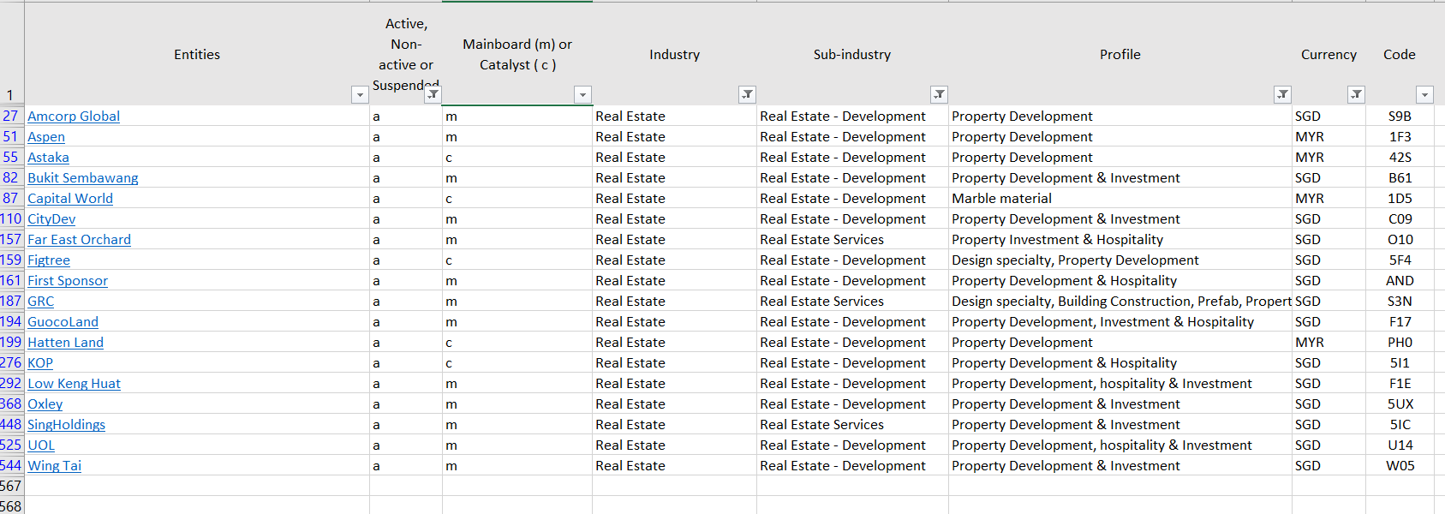

 | Fill in the listed companies market and financial data into each columns. The data can be obtained from either SGX or Yahoo Finance.

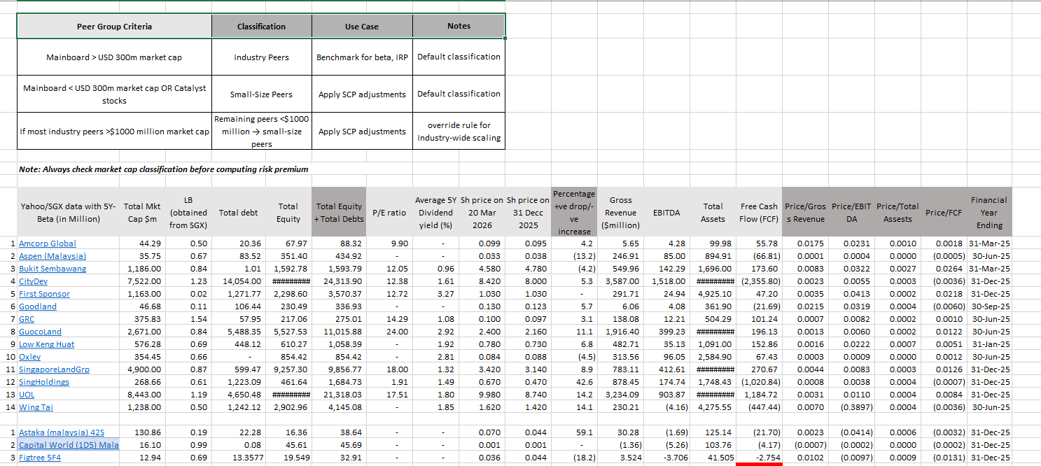

 | Next After completed filled in all the data into each companies, move those companies with market capitalization of less than S$300 million in the Mainboard ("m") to the Catalyst ("c") rows:

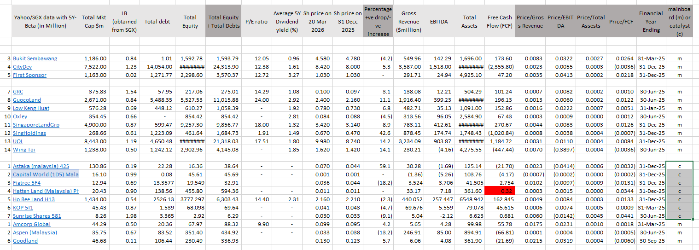

 | Calculate the Risk premium for Industry & Small Size Companies:

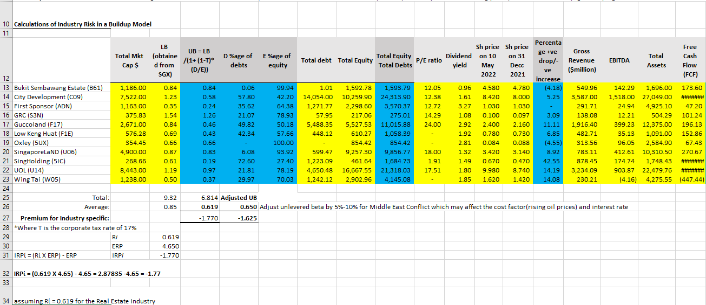

 | Compute the Company-Specific Risk Premium (CSRP):
 | - This figures is obtained from Worksheet [10_CSRP_Scoring]. Use your professional judgement.
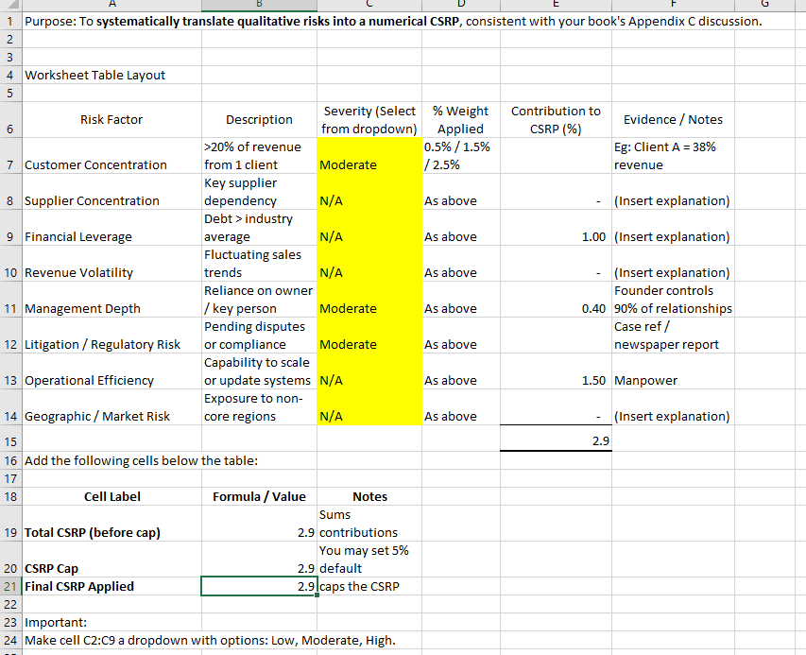

 | Updating the CAPM model in Worksheet [04_CAPM] :

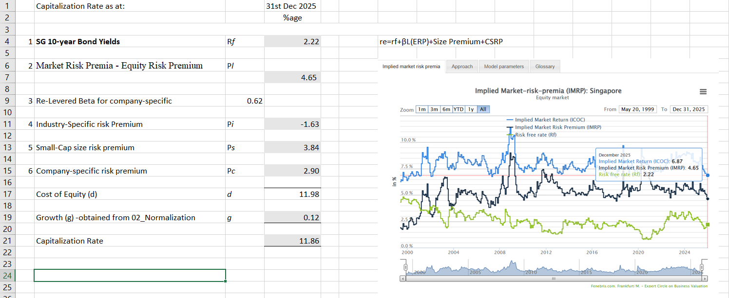

 | Setting up Market Peers Comparables.
 | In this case, there are two listed companies of the similar business activities which is Design specialty i.e. Figtree and GRC. Compare their Gross Revenue, EBITDA, Total Assets, FCF, Total Debts and Total Equity, you will find that Figtree is the more relevant for the Market Approach method for valuation.

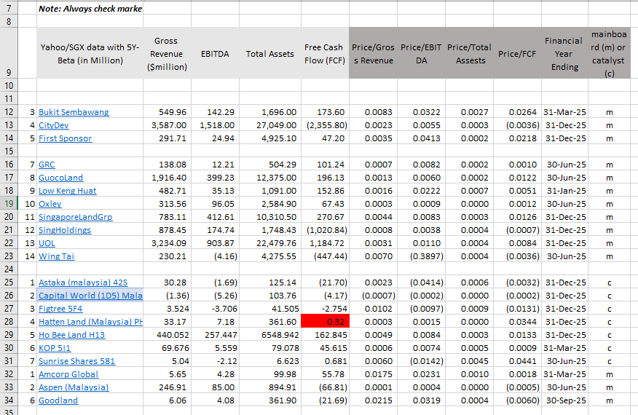

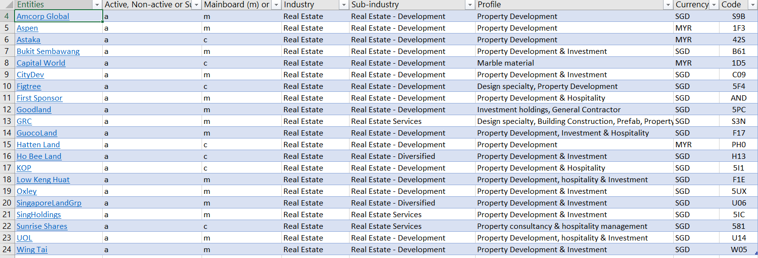

 | WACC for DCF Valuation Method. WACC obtained from [05_WACC] and [10_CSRP Scoring]

04_CAPM
 | Capitalization Rate as at: |  | 31st Dec 2025
 |  |  | %age
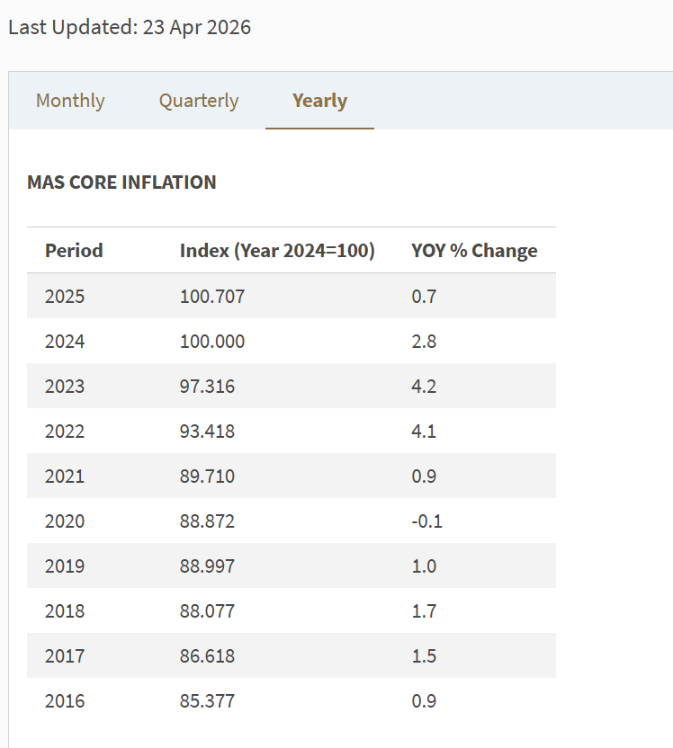
1 | SG 10-year Bond Yields | Rf | 2.22 |  | re​=rf​+βL​(ERP)+Size Premium+CSRP

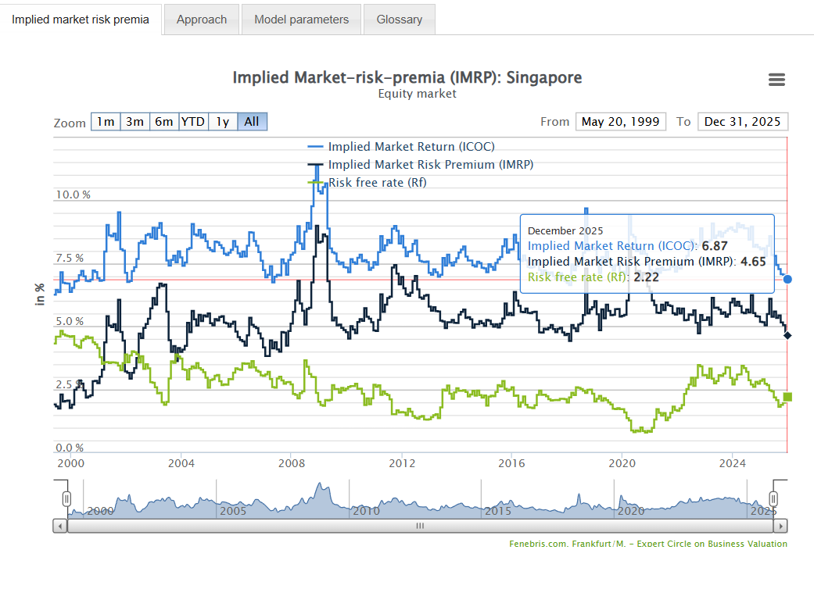
2 | Market Risk Premia - Equity Risk Premium | Pl | 4.65

3 | Industry-Specific risk Premium (Re-levered Beta X ERP)-ERP | Pi | 1.61
 | a) Re-levered average industry components unlevered beta [βL=βU×(1+(1−T)*D/E)] | 1.346

5 | Small-Cap size risk premium | Ps | 6.03

6 | Company-specific risk premium | Pc | 4.40

 | Cost of Equity (d) | d | 18.91

 | Growth (g) -obtained from 02_Normalization | g | 0.03

 | Capitalization Rate |  | 18.88
 |  | P/E ratio | 5.2966 | times

 | ERi​=Rf​+βi​(ERm​−Rf​)where:ERi​=expected return of investmentRf​=risk-free rateβi​=beta of the investment(ERm​−Rf​)=market risk premium​

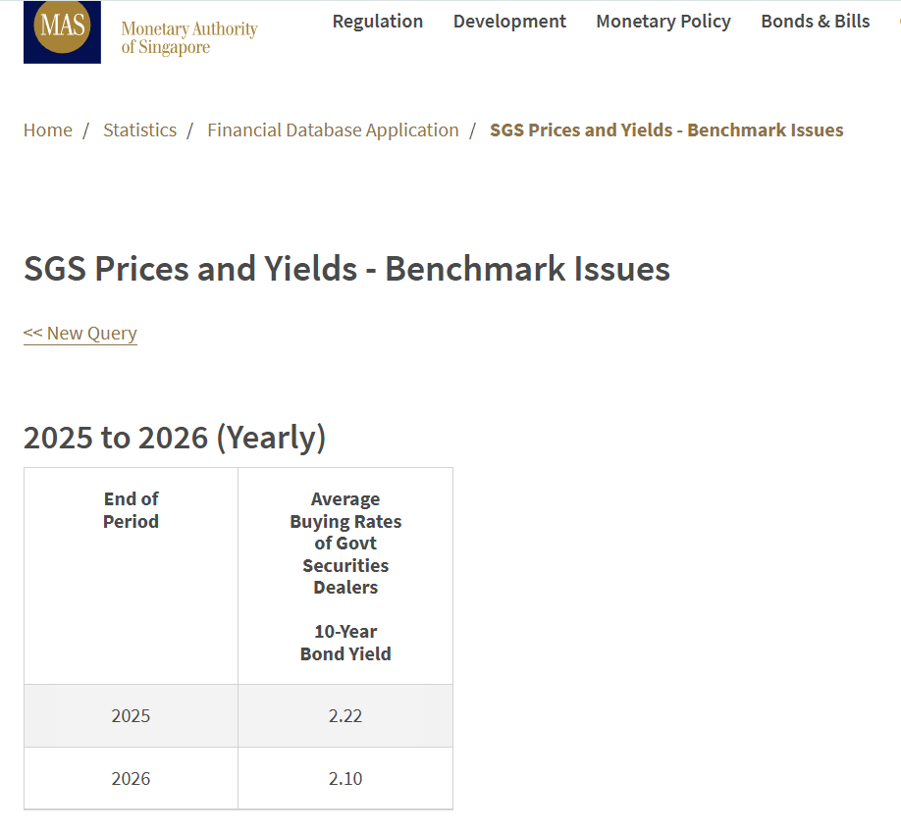
 |  |  |  |  |  | 0.5

10_CSRP_Scoring
Purpose: To systematically translate qualitative risks into a numerical CSRP, consistent with your book's Appendix C discussion.
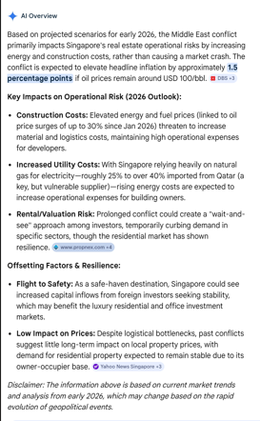

Worksheet Table Layout

Risk Factor | Description | Severity (Select from dropdown) | % Weight Applied | Contribution to CSRP (%) | Evidence / Notes
Customer Concentration | >20% of revenue from 1 client | Moderate | 0.5% / 1.5% / 2.5% |  | Eg: Client A = 38% revenue
Supplier Concentration | Key supplier dependency | N/A | As above | - | (Insert explanation)
Financial Leverage | Debt > industry average | N/A | As above | 1.00 | (Insert explanation)
Revenue Volatility | Fluctuating sales trends | N/A | As above | - | (Insert explanation)
Management Depth | Reliance on owner / key person | Moderate | As above | 0.40 | Founder controls 90% of relationships
Litigation / Regulatory Risk | Pending disputes or compliance gaps | Moderate | As above |  | Case ref / newspaper report
Operational Efficiency | Capability to scale or update systems | N/A | As above | 1.50 | Manpower
Geographic / Market Risk | Exposure to non-core regions | N/A | As above | 1.50 | Middle East conflict impacts on Singapore real estate industry
 |  |  |  | 4.4
Add the following cells below the table:

Cell Label | Formula / Value | Notes
Total CSRP (before cap) | 4.4 | Sums contributions
CSRP Cap | 4.4 | You may set 5% default
Final CSRP Applied | 4.4 | caps the CSRP

Important:
Make cell C2:C9 a dropdown with options: Low, Moderate, High.

Low
Moderate
High
N/A

16b_Loading by main or catalyst
Selected for the risk premium calculation:

Entities | Active, Non-active or Suspended | Mainboard (m) or Catalyst ( c ) | Industry | Sub-industry | Profile | Currency | Code | Market Cap
Abundante | a | m | Industrials | Rental & leasing services | Supplier of concrete pumping services & CCTV of sewer inspection services | SGD | 570 | 17.3
A-Smart | a | m | Industrials | Specialty Business Services | (a) Property development and real estate investment; and (b) Smart technologies; and (c) Print and media; and (d) Other investments. | SGD | BQC | 29.78
Audience | a | c | Industrials | Consulting Services | (i) conducting business impact assessments on companies and organising business recognition awards, (ii) organising trade and consumer exhibitions, and (iii) offering digital and print business media brands and organising networking events and conferences | SGD | 1AZ | 58.17
Chasen | a | m | Industrials | Integrated Freight & Logistics | Specialist Relocation, Third Party Logistics, Technical & Engineering | SGD | 5NV | 31.36
COSCO SHP SG | a | m | Industrials | Integrated Freight & Logistics | • Investment holding • Ship repair and marine engineering activities • Logistics • Property management | SGD | F83 | 532.94
Dezign Format | a | c | Industrials | Specialty Business Services | design and fabrication services, provision of interior fit-out services and the development, licensing and commercialisation of immersive location-based entertainment and experiences. | SGD | UZF | 43
Eneco Energy | a | m | Industrials | Integrated Freight & Logistics | provision of transportation, inventory management and warehousing services. | SGD | R14 | 34.21
GKE | a | c | Industrials | Integrated Freight & Logistics | Provision of warehousing & ancillary services and trading business • Provision of freight forwarding, transportation, warehousing and logistics services • Provision of port operations and logistics services, stevedoring and freight forwarding services • Provision of indoor farming solution and growing of crops • Producing and manufacturing of environmentally friendly lightweight brick building materials and cement products • Provision of blending and manufacturing of chemical and chemical products • Provision of contracting services, sales and distribution of telecommunications mobile handsets and accessories business. | SGD | 595 | 72.12
Hiap Tong | a | c | Industrials | Rental & leasing services | renting of cranes, prime movers, heavy machinery and equipment, trading of cranes and heavy equipment and supply labour for container lashing/unlashing, prime movers driving services and ancillary works. | SGD | 5PO | 34.91
KingsmenCreative | a | m | Industrials | Consulting Services | provision of corporate marketing and other related services, design and production of interiors, exhibitions, decorations, museums and thematic, as well as the development and operation of experiential and themed attractions | SGD | 5MZ | 112.04
LS 2 Holdings | a | c | Industrials | Specialty Business Services | an investment holding and provide management services to its subsidiary corporations’ activities, cleaning, pest control, machinery, IFM | SGD | ENV | 12.95
Metech Intl | a | c | Industrials | Specialty Business Services | Manufacturing and distribution of lab-grown diamonds; Collection and processing of food waste into animal feed, bio-fuel and other by-products, and the production and sale of agricultural machinery, fermentation and renewable resource equipment (the “Food Waste Business”); and Wholesale distribution of high-quality and affordable nutritional supplements (the “Health Supplements Business”) | SGD | V3M | 5.26
SATS | a | m | Industrials | Airport & Air Services | rental of premises and provision of management services to related companies. | SGD | S58 | 5480
SIA | a | m | Industrials | Airlines | Aviation industry | SGD | C6L | 21380
SIA Engineering | a | m | Industrials | Airport & Air Services | provision of airframe maintenance, component overhaul services and inventory technical management, the provision of line maintenance and technical ground handling services and investment holdings | SGD | S59 | 3760
SingPost | a | m | Industrials | Integrated Freight & Logistics | operation and provision of postal and parcel delivery services, eCommerce logistics and property, provision of delivery services and eCommerce logistics solutions, provision of integrated supply chain and distributions services, and investment holding | SGD | S08 | 810.46
Southern Arch | a | m | Industrials | Specialty Business Services | sterilisation, decontamination and polymerisation services; hospitality management and property development | SGD | A33 | 27.57
V2Y Corp | s | c | Industrials | Specialty Business Services | Insurtech business, foods and beverages and distributions of fruits and vegetables segment. | SGD | V2Y | 3.71
VCPlus | a | c | Industrials | Consulting Services | provision of advisory, consultancy and/or management services related to financial technology regulation and licensing as well as the adoption of financial technology strategies and technology (“FinTech Business” | SGD | 43E | 17.01
ZICO Hldgs | a | c | Industrials | Specialty Business Services | integrated provider of multidisciplinary professional services, organised into business units based on advisory and transactional services | SGD | 40W | 29.56
Wing Tai | a | m | Real Estate | Real Estate - Development | Property Development & Investment | SGD | W05

CapitaLandInvest | a | m | Real Estate, Real Estate services | Financial & Insurance activities | REIT - Hospitality assets supporting MICE tourism | SGD | 9CI | 15,010.000
ComfortDelGro | a | m | Industrials, Railroads | Transport & Storage | Transportation -One of the world's largest land transport companies (taxis, buses, rail - vital for event mobility) | SGD | C52 | 3,230.000
COSCO SHP SG | a | m | Industrials | Integrated Freight & Logistics | Provides shipping and logistics services | SGD | F83 | 532.940
Frasers Property | a | m | Real Estate | Real Estate - Diversified | REIT - Hotels and serviced residences hosting conferences, weddings and corporate events\ | SGD | TQ5 | 4,040.000
Keppel | a | m | Industrials, Conglomerates | Manufacturing, REIT | REIT -Commercial properties with spaces for corporate events and exhibitions | SGD | BN4 | 22,470.000
KingsmenCreative | a | m | Industrials | Consulting Services | Design and production for exhibitions, museums, retail spaces and major events | SGD | 5MZ | 112.040
OUE | a | m | Real Estate | Real Estate - Diversified | Owns hotels and commercial properties with event spaces (e.g. Mandarin Orchard, Crowne Plaza) | SGD | LJ3 | 1.000
PanUnited | a | m | Basic Materials | Building Materials | Logistics and supply chain solution, including ready mix concrete for event infrastructure. Cement ready mix | SGD | P52 | 972.950
Raffles Edu | a | m | Consumer Defensive, Education & Training Services | Education | Runs design schools and exhibition-related training often tied to creative events | SGD | NR7 | 238.490
SamuderaShipping | a | m | Industrials, Marine Shipping | Transport & Storage | Regional container shipping services, supporting logistics for exhibitions and trade shows | USD | S56 | 613.360
SATS | a | m | Industrials | Airport & Air Services | Provides ground handling, catering, and logistics at Changi Airport- supports international event arrivals | SGD | S58 | 5,480.000
SIA | a | m | Industrials | Airlines | Aviation industry -Provides logistics, travel packages and sponsorship for global events | SGD | C6L | 21,380.000
SIA Engineering | a | m | Industrials | Airport & Air Services | Aircraft maintenance and engineering- ensures reliability of transport for event participants | SGD | S59 | 3,760.000
SingaporeLandGrp | a | m | Real Estate | Real Estate - Diversified | Hospitality - Owns Marina Square and other properties used for exhibitions and events | SGD | U06 | 5,290.000
SingHoldings | a | m | Real Estate | Real Estate Services | Construction | SGD | 5IC | 266.660
ST Engineering | a | m | Industrials, Aerospace & Defence | Prof, Scientific & Technical Activities | Diversified engineering group with aerospace, electronics, and transport solutions | SGD | S63 | 31,950.000
UnUsUaL | a | c | Communication Services, Advertising agencies | Arts, Entertainments & Recreations | Concert promotion, large-scale live entertainment, event production | SGD | 1D1 | 29.590

What’s Publicly Known |  |  |  | ComfortDelgro (C52)
 |  |  |  | Singpost (S08)
The pattern is consistent year to year: smaller firms → higher premiums. |  |  |  | Genting Singapore (G13)
 |  |  |  | HPL (H15)
For Singapore real estate developers: |  |  |  | Healthway Med (5NG)
 |  |  |  | SBS Transit (S61)
 |  |  |  | SIA (C6L)

Large caps (City Developments, UOL, CapitaLand) → ~0.8–1.5% |  |  |  | Azeus
 |  |  |  | Arion Ent (YYB)
Mid caps (Wing Tai, Ho Bee Land) → ~1.5–2.5% |  |  |  | HL Global Ent (AVX)
 |  |  |  | Memories (1H4)
Small caps (Oxley, Low Keng Huat, niche firms) → ~2.5–4.0% |  |  |  | Sim Leisure (URR)
 |  |  |  | SingMedical (507)
My size cap risk premium is based on unlevered beta X ERP, which is not a standard: |  |  |  | Revez (RCU)
“Our computed size premium of 2.66% (based on SGX small-cap betas × ERP) aligns with the empirical ranges published annually by Duff & Phelps (Kroll) for Decile 8–9 firms in Singapore, which typically fall between 2.5% and 4.0%.”

How Duff & Phelps / Morningstar Derive Size Premium

Step 1: Portfolio formation

All listed firms are ranked by market capitalization.

They are divided into deciles (10 groups) or sometimes finer “breakpoints.”

Step 2: Historical return analysis

Each decile’s average historical return is calculated over decades (using CRSP data in the U.S., then extended internationally).

Step 3: CAPM comparison

For each decile, the expected return under CAPM is computed:

E(R)=Rf+β×ERP

The actual average return is compared against this CAPM prediction.

Step 4: Excess return = Size Premium

The difference (actual – CAPM) is the empirical size premium.

Example: If CAPM predicts 8% but the decile historically earned 10%, the size premium is 2%.

✅ Formula (conceptual)

Size Premium=Average Historical Return of Decile−CAPM Predicted Return

Formula for Historical Return of a Stock

For a given stock i in year t:

Ri,t=Pi,t−Pi,t−1+Di,tPi,t−1

Where:

Pi,t = price at end of year t

Pi,t−1 = price at end of year t−1

Di,t = dividends paid during year t

This gives the total return (capital gain + dividend yield).

📊 Portfolio (Decile) Return

Once you have returns for all stocks in a decile (e.g., small-cap SGX firms):

Rdecile,t=1N∑i=1NRi,t

Where:

N = number of firms in the decile

Ri,t = return of firm i in year t

This is the average annual return of the decile portfolio.

📈 Average Historical Return

Over multiple years (say 10–20 years):

Rˉdecile=1T∑t=1TRdecile,t

Where:

T = number of years in the study

Rˉdecile = average historical return of the decile

🔄 Next Step (Size Premium)

Once you have Rˉdecile, you compare it against the CAPM-predicted return:

Size Premium=Rˉdecile−(Rf+βdecile×ERP)

That difference is the empirical size premium.

Step 1: Formula for Annual Return

Rt=Pt−Pt−1+DtPt−1

Pt = price at end of year t

Pt−1 = price at end of year t−1

Dt = dividends paid during year t (often zero for SGX small caps)

If no dividends:

Rt=Pt−Pt−1Pt−1

📊 Step 2: Example — Oxley Holdings (hypothetical prices)

Price at end 2023: SGD 0.12

Price at end 2024: SGD 0.15

Price at end 2025: SGD 0.13

Dividends: none

2024 return:

R2024=0.15−0.120.12=0.25=25%

2025 return:

R2025=0.13−0.150.15=−0.133=−13.3%

📈 Step 3: Average Historical Return

If we take 2024 and 2025 only:

Rˉ=25%+(−13.3%)2=5.85%

Over a longer horizon (say 10–20 years), you would compute this average across all years.

🔄 Step 4: Compare Against CAPM

Suppose Oxley’s beta = 0.8, risk-free rate = 2.2%, ERP = 4.6%:

E(R)CAPM=2.2%+0.8×4.6%=5.88%

Size Premium = Actual Average Return – CAPM Predicted Return

=5.85%−5.88%≈−0.03%

In this short sample, the premium is negligible. But over decades, small-cap portfolios usually show positive excess returns (2–4%), which is what Duff & Phelps reports.

✅ Key Takeaway

Formula for historical return is straightforward: price change ÷ prior price (plus dividends if any).

Portfolio average across small-cap firms gives the decile return.

Size premium = historical average return – CAPM predicted return.

Even if dividends are zero, the method works fine — you just rely on price appreciation.

let’s set up a spreadsheet-ready formula so you can compute historical returns for SGX small-cap stocks, even when dividends are zero.

📌 Step 1: Annual Return Formula

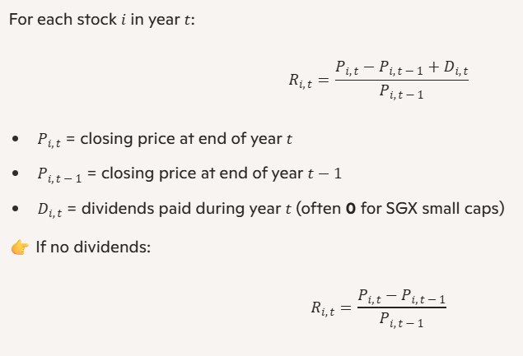
For each stock i in year t:

Ri,t=Pi,t−Pi,t−1+Di,tPi,t−1

Pi,t = closing price at end of year t

Pi,t−1 = closing price at end of year t−1

Di,t = dividends paid during year t (often 0 for SGX small caps)

👉 If no dividends:

Ri,t=Pi,t−Pi,t−1Pi,t−1

📊 Step 2: Portfolio (Decile) Return
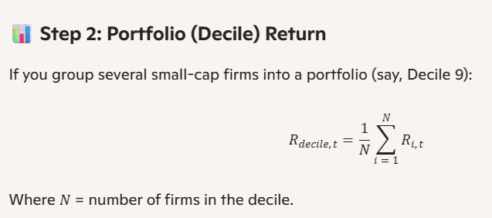
If you group several small-cap firms into a portfolio (say, Decile 9):

Rdecile,t=1N∑i=1NRi,t

Where N = number of firms in the decile.

📈 Step 3: Average Historical Return

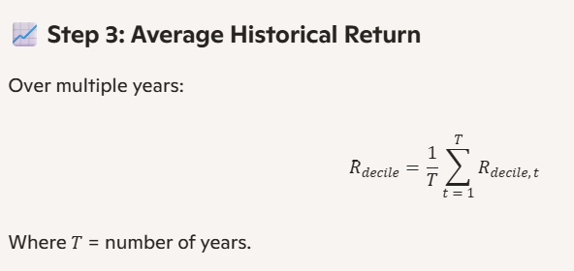
Over multiple years:

Rˉdecile=1T∑t=1TRdecile,t

Where T = number of years.

🧮 Spreadsheet Setup

Here’s how you can structure it in Excel:
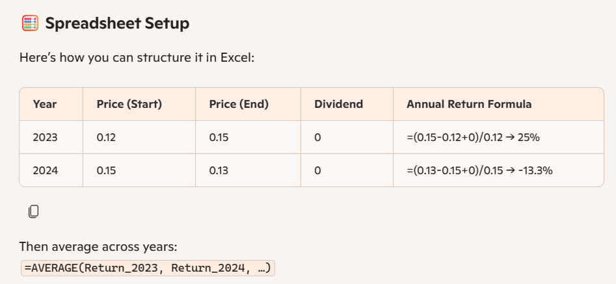
Year | Price (Start) | Price (End) | Dividend | Annual Return Formula
2023 | 0.12 | 0.15 | 0 | =(0.15-0.12+0)/0.12 → 25%
2024 | 0.15 | 0.13 | 0 | =(0.13-0.15+0)/0.15 → -13.3%

Then average across years: =AVERAGE(Return_2023, Return_2024, …)

🔄 Step 4: Size Premium

Once you have the average historical return for the decile:

Size Premium=Rˉdecile−(Rf+βdecile×ERP)

✅ This way, you can replicate the Duff & Phelps methodology locally using SGX data. Even if dividends are zero, the formula works fine — you just rely on price appreciation.

Would you like me to design a ready-to-use Excel template layout (with formulas already embedded for annual return, portfolio average, and size premium) so you can drop in SGX stock prices and instantly compute the historical return series?

Spreadsheet Layout

Sheet: Annual Returns
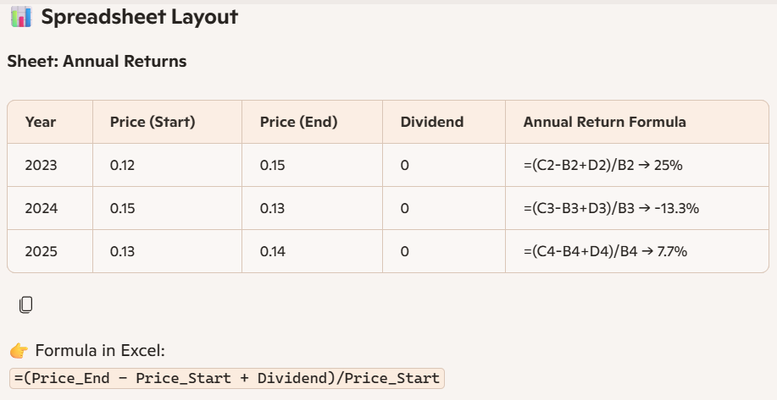
Year | Price (Start) | Price (End) | Dividend | Annual Return Formula
2023 | 0.12 | 0.15 | 0 | =(C2-B2+D2)/B2 → 25%
2024 | 0.15 | 0.13 | 0 | =(C3-B3+D3)/B3 → -13.3%
2025 | 0.13 | 0.14 | 0 | =(C4-B4+D4)/B4 → 7.7%

👉 Formula in Excel: =(Price_End - Price_Start + Dividend)/Price_Start

Sheet: Portfolio (Decile) Returns

Year | Firm A Return | Firm B Return | Firm C Return | Portfolio Average
2023 | 25% | 12% | -5% | =AVERAGE(B2:D2)
2024 | -13.30% | 8% | 3% | =AVERAGE(B3:D3)
2025 | 7.70% | -2% | 10% | =AVERAGE(B4:D4)
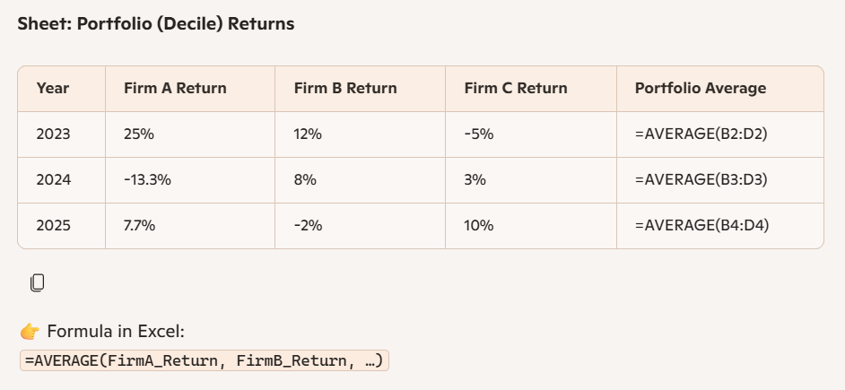
👉 Formula in Excel: =AVERAGE(FirmA_Return, FirmB_Return, …)

Sheet: Historical Average

Portfolio | Average Return | CAPM Predicted Return | Size Premium
Small-Cap Decile | =AVERAGE(Portfolio_Returns) | =Rf + Beta*ERP | =Average_Return - CAPM

👉 Example:

Average Return = 6.5%
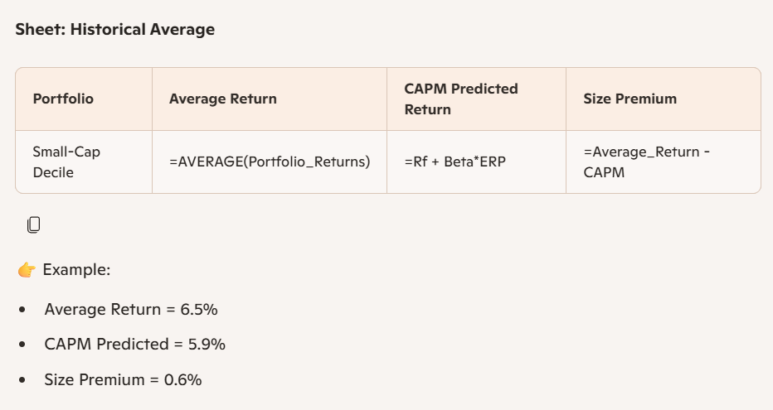
CAPM Predicted = 5.9%

Size Premium = 0.6%

✅ How to Use

1. Input yearly start/end prices (and dividends if any).

2. Compute annual returns per firm.

3. Average across firms to get portfolio/decile return.

4. Average across years to get historical return.

5. Compare against CAPM prediction to derive size premium.

This template mirrors the Duff & Phelps empirical method: historical return minus CAPM prediction = size premium. Even if dividends are zero, the formula works fine with just price changes.

17_Toolkit_Overview
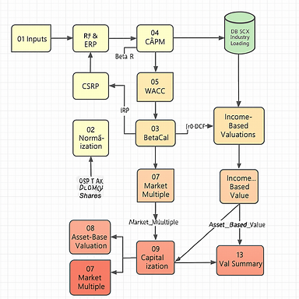
Section 1: Overview

Item | Fair Market Value (FMV) | Fair Value (FV)
Definition | Value in an open, unrestricted market | Value in a specific transaction or context
Common Use | Tax, estate, minority sale | Shareholder disputes, M&A, financial reporting
Assumptions | Willing buyer/seller, no compulsion | May include strategic synergies or control

📊 Section 2: Inputs (Consumes)

Input / Assumption | FMV Source | FV Source
Risk-Free Rate (Rf) | MAS 10Y Benchmark | Same
ERP | SG Market Premia | Same
Beta | Peer set (unlevered, re-levered) | Same or adjusted for strategic buyer
IRP | Derived from peer volatility | May be adjusted for industry consolidation
SCP | Small-cap premium | May be excluded if buyer is large
CSRP | Qualitative risk scoring | May be reduced if buyer mitigates risks
WACC | Weighted average cost of capital | May use lower cost of capital for strategic buyer
DLOC / DLOM | Applied to FMV for minority, illiquid interest | Often not applied in FV unless relevant

📐 Section 3: Valuation Methods (Produces)

Method | FMV Output | FV Output
Asset-Based | Net adjusted assets | Same or adjusted for strategic asset use
Income-Based (DCF) | FCF discounted at WACC | May use higher growth or lower WACC
Income-Based (Cap) | Capitalized normalized earnings | Same or adjusted for strategic buyer
Market Multiple | Peer-derived multiples | May use premium multiples for strategic buyer

💰 Section 4: Results

Output | FMV | FV
Enterprise Value | Derived from DCF, Cap, or Market Multiple | May be higher due to synergies or control
Less: Net Debt | From normalized balance sheet | Same
Equity Value | EV – Net Debt | Same or higher
Per Share Value | Equity ÷ Shares | Same or higher
DLOC / DLOM Applied | Yes | Usually no
Final Value | Minority, illiquid value | Strategic or control value

🧾 Section 5: Narrative Summary

“Based on observable market data, peer betas, cost of capital, and appropriate valuation methods, the FMV of the subject entity’s minority, illiquid interest is S$___ per share. Under a fair value context, assuming strategic buyer synergies and control, the indicated value is S$___ per share.”

